Sheet1
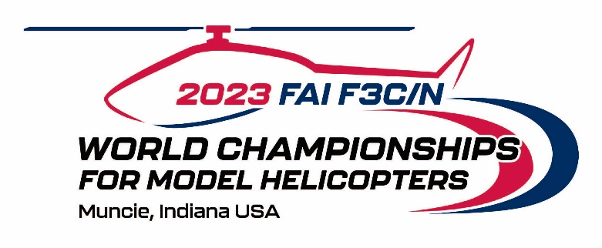 

August 1st - August 10th 2023
PRELIMINARY ENTRY FORM FOR NATIONAL TEAM MEMBERS

Submitted COUNTRY:
Submitted NAC:

Correspondance Address:
NAC‘s person in charge:
Email Address:
Phone:
Fax:

The F3C National Team will consists of: |  |  | Quantity
Reigning F3C World Champion
F3C Team Manager
F3C Competitors Senior
F3C Competitors Female
F3C Competitors Junior
F3C Callers
F3C Helpers
F3C Mechanics
F3C Supporters

The F3N National Team will consists of: |  |  | Quantity
Reigning F3N World Champion
F3N Team Manager
F3N Competitors Senior
F3N Competitors Female
F3N Competitors Junior
F3N Callers
F3N Helpers
F3N Mechanics
F3N Supporters
Total: |  |  | 0

Official NAC Stamp and
Official NAC Signature

Date:
 | (yyyy-mm-dd)

The Preliminary Entry Form shall be completed, signed and returned not later than April 30th, 2023 via email, fax or letter to

email: cpierce@modelaircraft.org |  | Academy of Model Aeronautics
 |  | 5161 E Memorial Drive
Fax: +1 765-289-4248 |  | Muncie, Indiana 47302
 |  | UNITED STATES OF AMERICA

